Day 3
 |  |  | TEAM ALPHA

 |  |  | USER STORIES

USER STORY ID | USER | SI. NO | TASK | GOAL
1 | TAC | 1 | TAC team should able to Login | So that they can be able to view the current drive & schedule the upcomming drives
 |  | 2 | TAC team will create pools | To maintain resources in a pool
 |  | 3 | Filter pools with specific Department name | To maintain different department resources in a separate pool.
 |  | 4 | TAC team should be able to post an invite to the pool | So that invites could be sent to the particular Pool members
 |  | 5 | TAC team should be able to get response from the particular pool. | They can schedule Drive.
 |  | 6 | TAC team wants to view the pool member's invite acceptance details | So that they can schedule drives for them.
 |  | 7 | TAC team should be able to view the time slot availability given by the interviewer. | They need to schedule drives relevently.
 |  | 8 | TAC team should be able to view all the pool member's Profile | So that they can manage and view each of their profile
 |  | 9 | TAC team should able to schedule drives for the Defaulters ( Priority based ) | So that they can Avoid defaulters and Maintain the Balance
 |  | 10 | TAC team should manage pools | So that they can separate the concerns
 |  | 11 | Provide visibility of pools for management . | Management will see the overview of drives and Participations of Interviewers pools
 |  | 12 | Receieve mail when the interviewer cancels the invite at last time | Reschedule to the immediate next available person for that drive.
 |  | 13 | TAC team should be able to view the overall statistical data of defaulters | To view defaulters performance.
2 | Management | 14 | I should be able to Login | They can able to see their profile
 |  | 14 | I should be able to view the statistical data of Defaulters | Able to track the status of the interviewer
 |  | 15 | I should see all pools members of particular department | They need proper tracking of participation of every interviewer in that pool
 |  | 16 | They will respond to the drive invitation | To get the drive slots.
 |  | 17 | View the availability given by the interviewers & slots utilized by the TAC | He can be able to identify whether the fault is on TAC or Interviewer
3 | Pool Member | 18 | They should able to Login | They can able to see the upcomming drives
 |  | 19 | They should recieve notification from the TAC | so that they can either accept or reject the request
 |  | 20 | I should able to fill the time slot | so that i can able to schedule my time
 |  | 21 | I should able to give response for the drive Invite | so that I can get my Interview schedule
 |  | 22 | I should able to see my Interview history | so that I can improve my participation in Drives
 |  | 23 | I should get the Drive notification atleast before 5 days | So that I can arrange my time for Drives
 |  | 24 | I should get options when i cancel an interview | So that I can explain my reason
 |  | 25 | I should able to cancel the meeting | TAC team will get notify by mail

 |  |  | INTERVIEWER FLOW

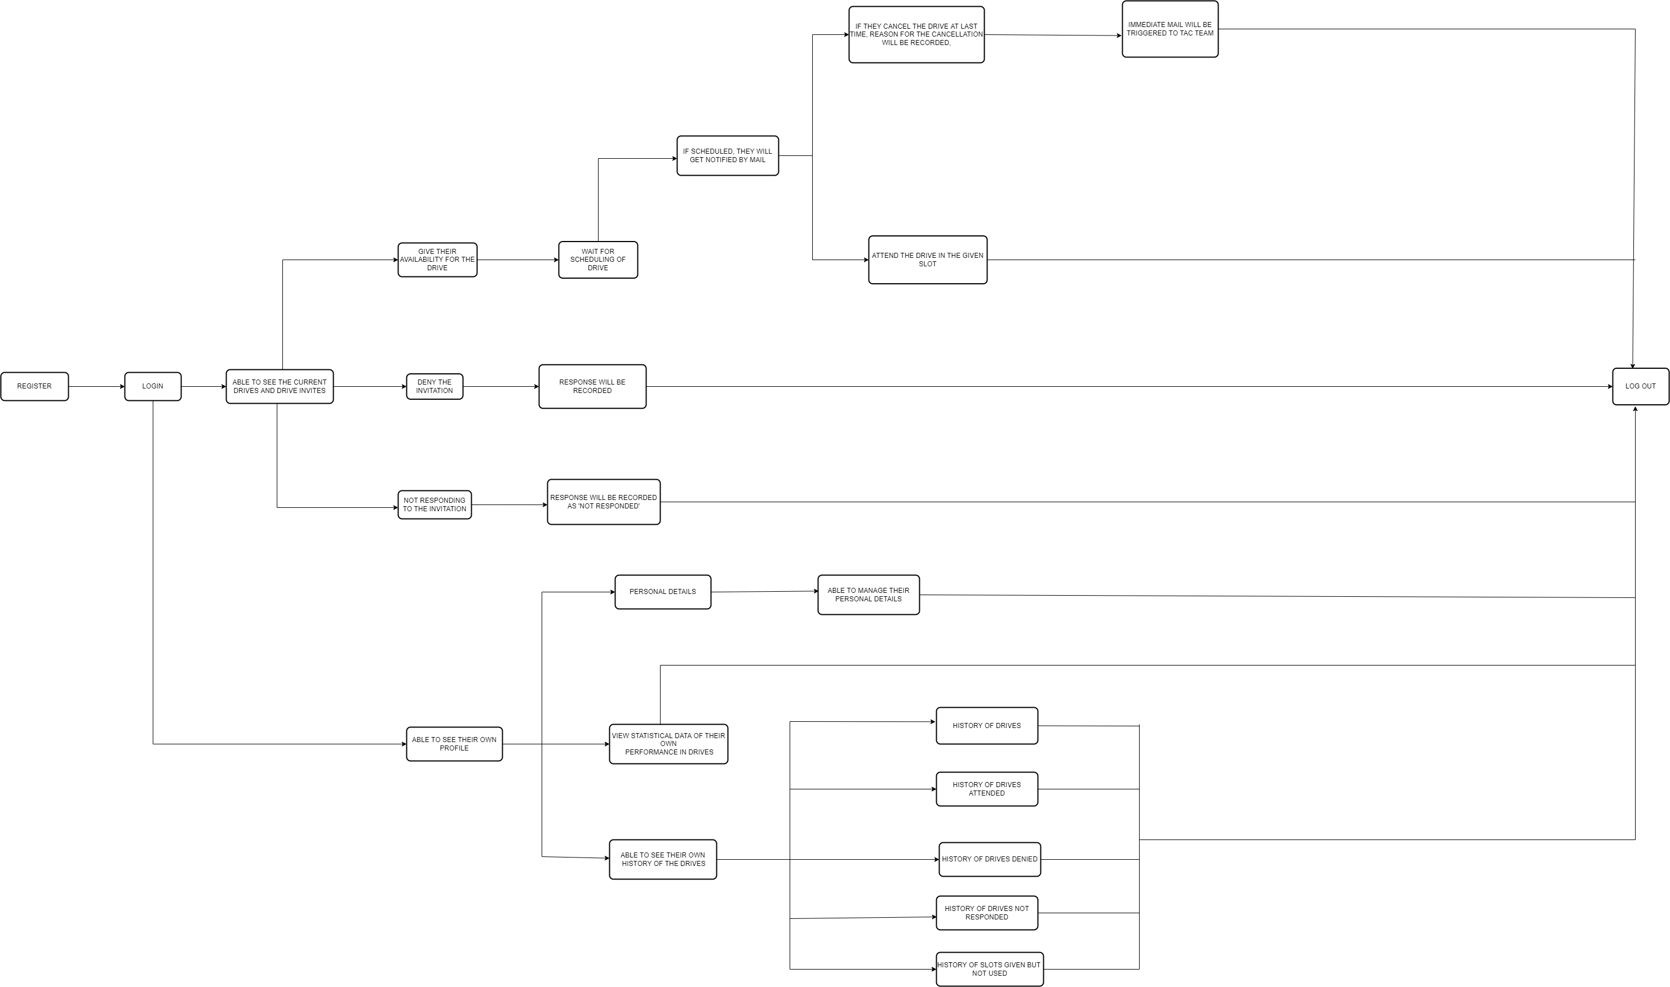

 |  |  | MANAGEMENT FLOW

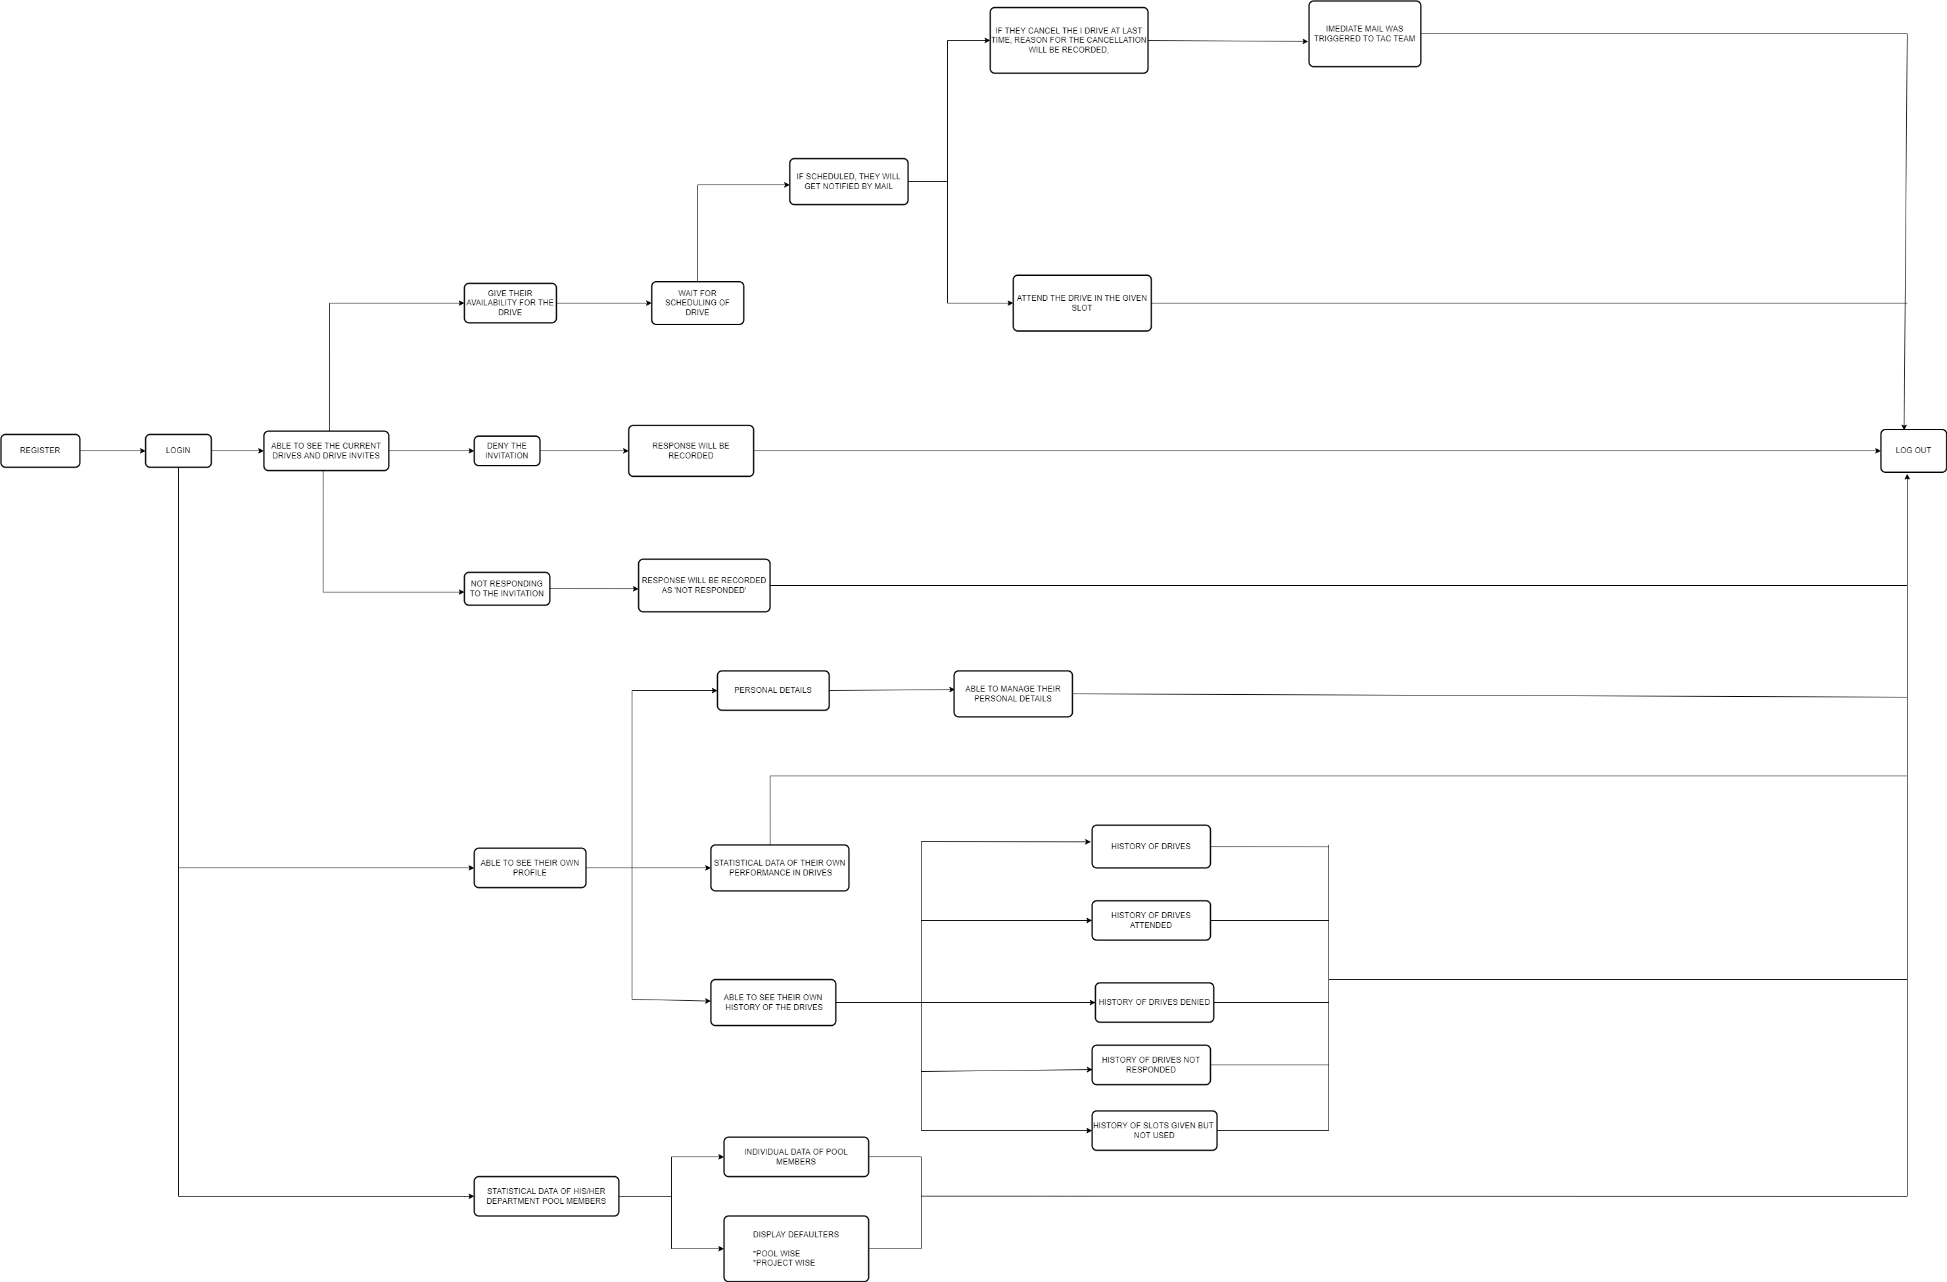

 |  |  | TAC

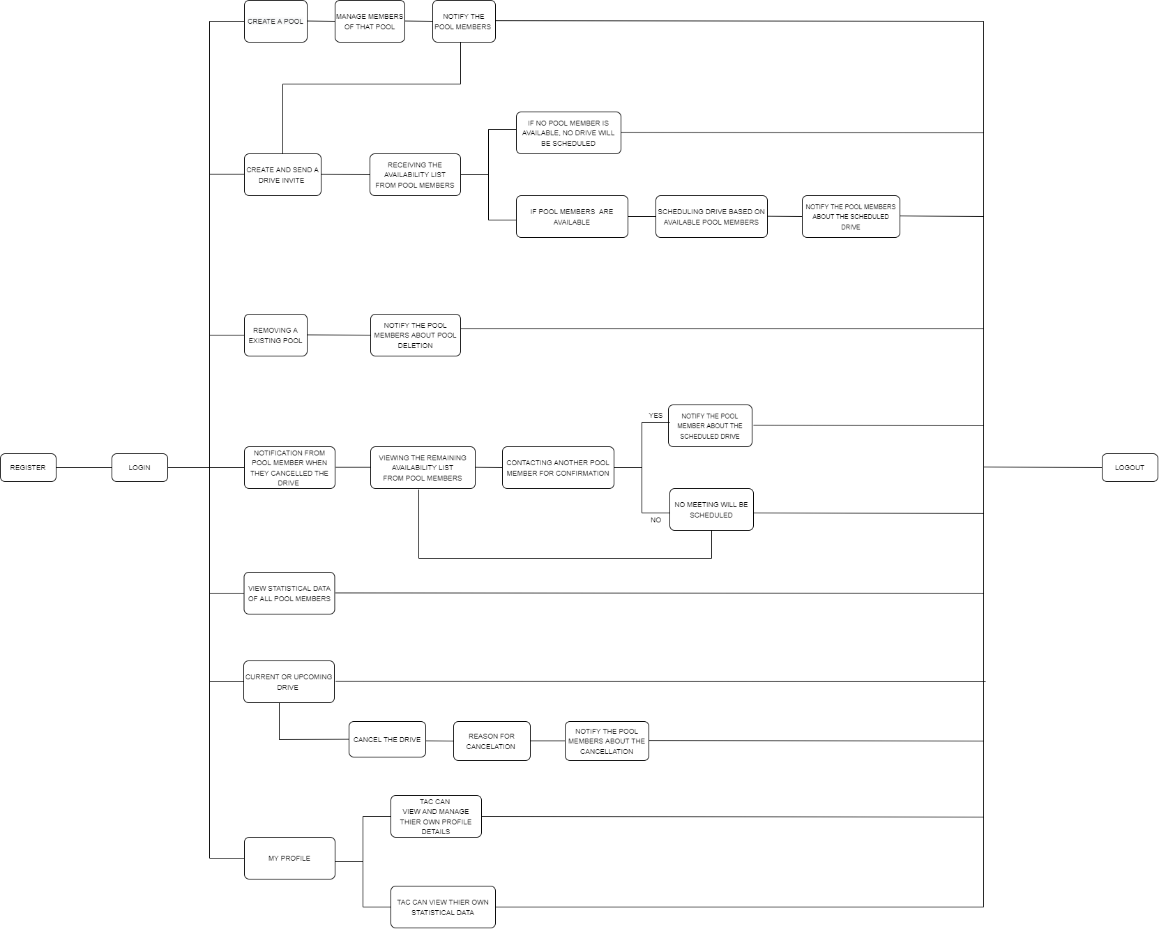

 |  |  | ACCEPTENCE CRITERIA

 |  |  | Able to login with user id and password
 |  |  | Able to view the invitations
 |  |  | Able to see the dashboard details
 |  |  | Able to give proper acceptance for the invite
 |  |  | Able to get Mail when interview scheduled
 |  |  | Able to cancel an invite
 |  |  | Able to maintain history of the drives
 |  |  | Able to give my response when im not available
 |  |  | Able to deny a drive invitation

Day 4
 |  |  | TEAM ALPHA

 |  |  | USER STORIES

 |  |  |  |  | ACCEPTANCE CRITERIA |  |  | DEPENDENCIES | CONSTRAINTS
USER STORY ID | USER | SI. NO | TASK | GOAL | GIVEN THAT | WHEN | THEN
1 | ADMIN | 1 | I should be able to login | So that, I can add TAC members | TAC requesting overall access to manage the pool process. | TAC members need to manage pool and data. | Ensure Access is given.
2 | TAC | 1 | TAC should be able to register | So that I can recieve my login credentials | I am new user | I fill my deatils in the register page and click submit | System will store the details
 |  | 2 | TAC team should able to Login | So that I can view the home page | I am registered user | I fill my credentials in the login page and click login | System should sign me in
 |  | 3 | TAC team will create pools | To maintain resources in a pool | I am a registered user | I fill my deatils in the register page and click submit | Create pool to maintain resources
 |  | 4 | Filter Department name by specific Pools | To maintain different department resources in a separate pool. | I should be a registered TAC member
 |  | 5 | TAC team should be able to post an invite to the pool | So that invites could be sent to the particular Pool members
 |  | 6 | TAC team should be able to get response from the particular pool. | They can schedule Drive.
 |  | 7 | TAC team wants to view the pool member's invite acceptance details | So that they can schedule drives for them.
 |  | 8 | TAC team should be able to view the time slot availability given by the interviewer. | They need to schedule drives relevently.
 |  | 9 | TAC team should be able to view all the pool member's Profile | So that they can manage and view each of their profile
 |  | 10 | TAC team should able to schedule drives for the Defaulters ( Priority based ) | So that they can Avoid defaulters and Maintain the Balance
 |  | 11 | TAC team should manage pools | So that they can separate the concerns
 |  | 12 | Provide visibility of pools for management . | Management will see the overview of drives and Participations of Interviewers pools
 |  | 13 | Receieve mail when the interviewer cancels the invite at last time | Reschedule to the immediate next available person for that drive.
 |  | 14 | TAC team should be able to view the overall statistical data of defaulters | To view defaulters performance.
3 | Management | 1 | I should able to Register | So that I can recieve my login credentials | I am a new user | I fill my details in the register page and click submit | System should store my login credentials
 |  | 2 | I should able to login | So that i can access my profile | I am a registered user | I fill my credentials in the login page and click login | System should sign me in | To Login ,first I need to register | Able to login only when my registration is verified.
 |  | 3 | I should able to view drive invites | So that i can respond to the drive invite | I have signed in and Viewing my home page | I click on drive invite and fill in my response | System should record my response | To View an Invite ,I need to login | Able to respond to drives only when they are created and sent.
 |  | 4 | I should able to recieve schedules for accepted drive invites | So that i can conduct Interviews | I fill in my available time slot and send | I click on the Scheduled Interview in Home Page | System Should display the schedule | To view a Scheduled interview,I need to accept the drive invite | Able to view Scheduled interviews only when TAC Schedules the interview and send.
 |  | 5 | I should able to cnacel the scheduled interview | So that i can tend to the unforeseen circumstance | I have recieved Interview schedule | I click on Cancel Interview in the schedule | System should enquire the reasons for cancellation and cancel the interview | To Cancel a Scheduled Interview,I need to view the scheduled interview | Able to veiw Scheduled Interview only when logged in.
 |  | 6 | I should able to view today's Interviews | So that i can conduct Interviews | I am in Home Page | I click on today's Interview in Home Page | System Should display today's schedule | To view Today's Interview,I need to veiw my Dashboard | Able to view Dashboard only when logged in and should have recieved schedule.
 |  | 7 | I should able to see my Interview attended | so that I can be aware of my attended interviews | I am in Navigation bar | I click on Interview Attended | System should display Attended Interviews | To view Interviews Attended,I need to veiw my Dashboard | Able to view Dashboard only when logged in and should have attended a recieved schedule.
 |  | 8 | I should able to see my Interviews denied | so that I can be aware of my denied interviews | I am in Navigation bar | I click on Interview Denied | System should display Cancelled Interviews | To view Interviews Denied,I need to veiw my Dashboard | Able to view Dashboard only when logged in and should have Cancelled a recieved schedule.
 |  | 9 | I should able to see my Interviews ignored | so that I can be aware of my ignored interviews | I am in Navigation bar | I click on Interview Ignored | System should display Not responded drive invites | To view Interviews Ignored,I need to veiw my Dashboard | Able to view Dashboard only when logged in and should have ignored or not responded a drive invite.
 |  | 10 | I should able to see my unused slots | so that I can be aware of the utilization of my availability by TAC | I have a given my availability and it isn't been utilized | I click on my Unused slots | System should display No.of Slots given and utilized | To view Unused Slots,I need to veiw my Dashboard | Able to view Dashboard only when logged in and should have given availability slot but it wasn't used.
 |  | 11 | I should able to view my Interview Performance | So that i can improve my performance | I am viewing my profile | I click on Interview History | System should display my Interview History | To view Interview History,I need to veiw my Dashboard | Able to view Dashboard only when logged in and should have accepted drive invites and conducted interviews.
4 | INTERVIEWER | 1 | As a interviewer I should be able to register | So that TAC can verify me | I am new user | I fill my deatils in the register page and click submit | I should able to get my login details
 |  | 2 | TAC should verify my registration details | So that TAC can Login | I am registered user | I fill my credentials in the login page and click login | I should able to sign in
 |  | 3 | As a interviewer I should be able to Login | So that i can see my upcomming drives | I am registered user | I login | I should to see my home page
 |  | 4 | As a interviewer I should be able to recive the drive invites | so that they can either accept or reject the request | I entered into my home page | When i see my home page | I should able to see my Scheduled, Upcomming Interviews
 |  | 5 | As a interviewer I should be able to fill the time slot | so that I can notify TAC about my availbility | I have entered into an invitation | I see my drive invite | I should able to give my availability
 |  | 5 | As a interviewer I should be able to receive my scheduled drive details | so that I can be aware of my Interview schedule
 |  | 6 | As a interviewer I should be able to cancel my scheduled interview | so that i can revoke my availability by notifying TAC
 |  | 7 | As a interviewer I should be able to view my profile | so that i can view my personal details
 |  | 8 | As a interviewer I should be able to edit my profile | so that i can manage my personal details
 |  | 9 | As a interviewer I should able to see my Interview history | so that I can track my participation in Drives
 |  | 10 | As a interviewer I should able to see my Interview attended | so that I can be aware of my attended interviews
 |  | 11 | As a interviewer I should able to see my Interviews denied | so that I can be aware of my denied interviews
 |  | 12 | As a interviewer I should able to see my Interviews ignored | so that I can be aware of my ignored interviews
 |  | 13 | As a interviewer I should able to see my unused slots | so that I can be aware of the utilaization of my availability by TAC

 |  |  | ADMIN WORK FLOW

 |  |  | MANAGEMENT WORK FLOW

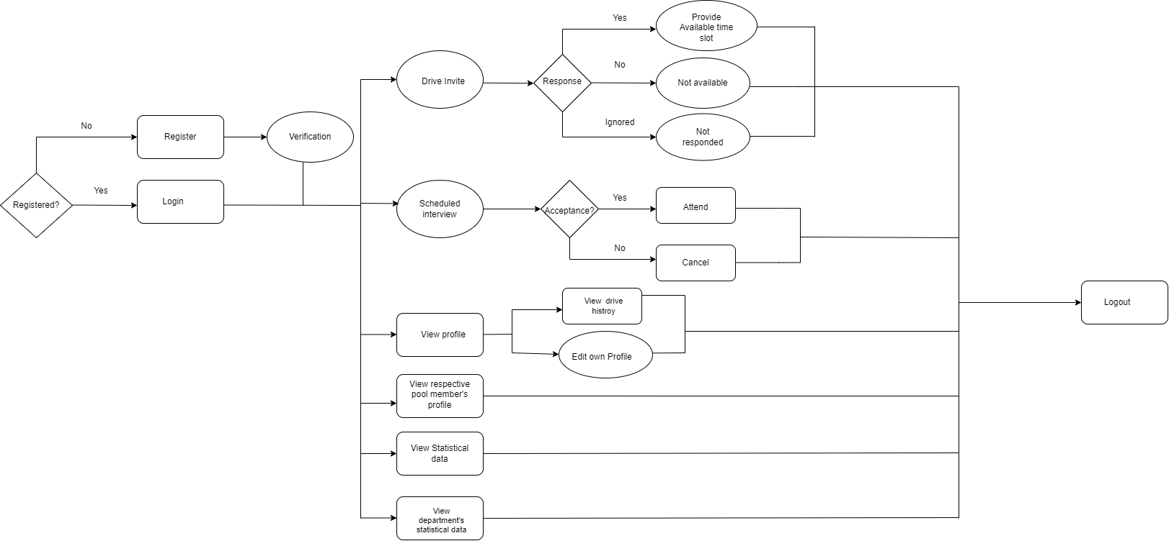

 |  |  | TAC WORKFLOW

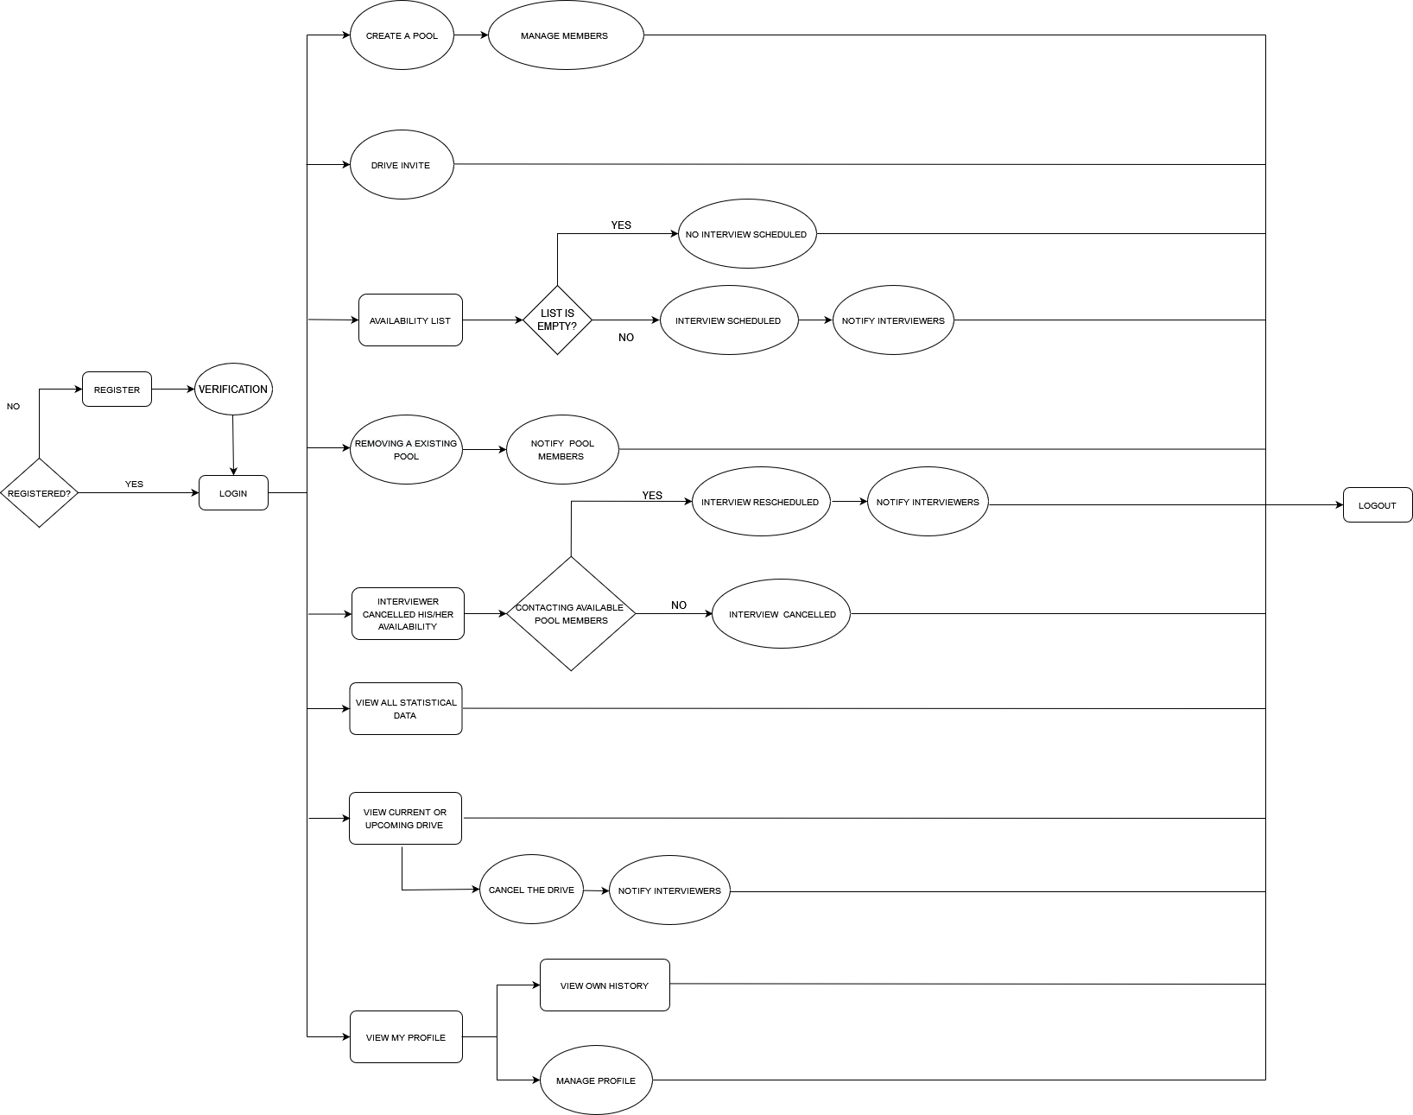

 |  |  | INTERVIEWER'S FLOW

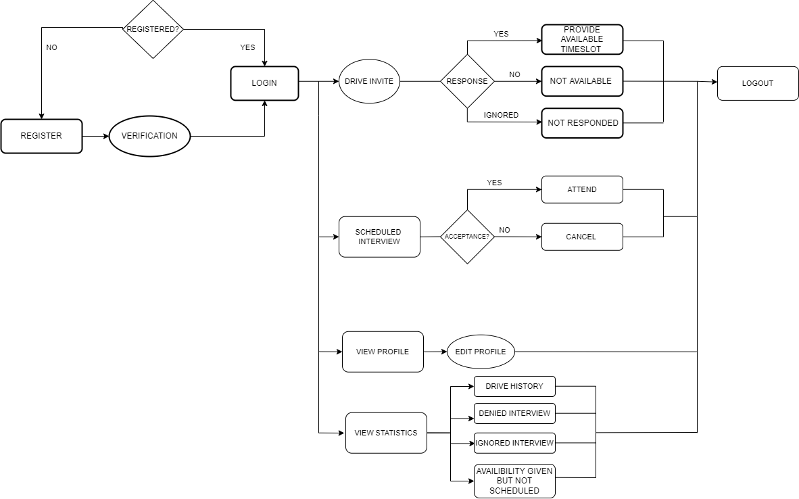

 |  |  | CONSTRAINTS | DEPENDENCIES
 |  |  | To give access to TAC | TAC can be also added by admin, the more the TAC members, The more work that admin will have.
 |  |  | User details
 |  |  | User name and password must be correct
 |  |  | Should be a TAC member
 |  |  | I should give a proper trustable details
 |  |  | User name and password must be correct

 |  |  |  |  | CONSTRAINTS

 |  |  | ROLE | SCOPE | TIME BOUND | RISK

 |  |  | ADMIN | To give access to TAC and HEAD. | It doesnt need much time to add TAC and HEAD into the process area, Well, it is time bounded. | Not giving permission on time to HEAD / TAC, may lead to the cancellation of drive and cause an impact.

